switch
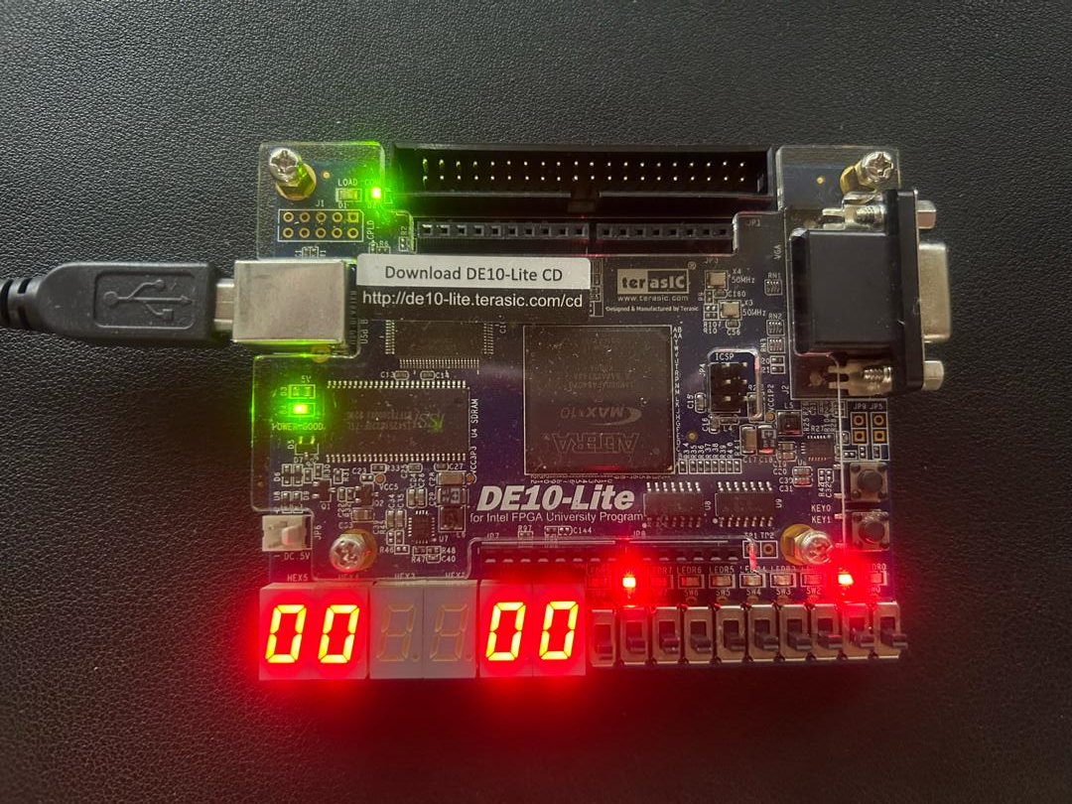

Traffic light A
Led:
right - red
middle - yellow
left - green
Traffic light B
Led:
right - red
middle - yellow
left - green
Traffic light B
count down timer display the remaining time
Traffic light A
count down Timer
display the remaining time

Slide switch [0] - enable switch
pull up:
- normal operation
pull down:
- malfunction
- count down timer will turn to 00 and middle led blink per sec

